Time Series data
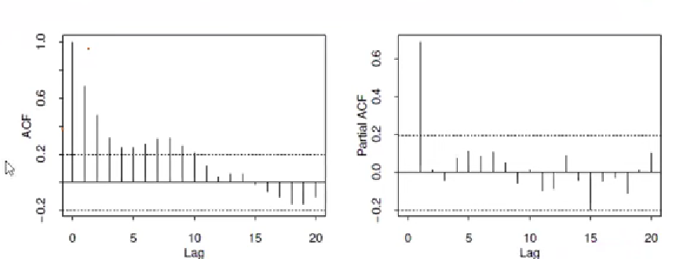
 |  |  |  |  |  | (Time dependent data)

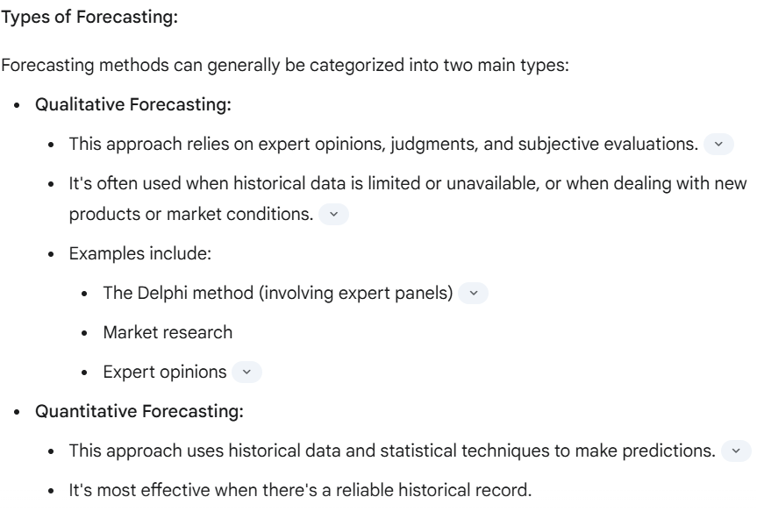

 |  |  |  |  |  |  | Delphi method has diverese types of experts onboard outside the organization

 |  |  |  |  |  | Customer Surveys

 |  |  |  |  |  | Individuals opinions are complied and reconstructed

 |  |  |  |  |  | Repetead until overall consensus reached

Components of Time Series: |  |  |  |  |  | Sales | What u Buy
 |  |  |  |  |  | Demand | What U Want

Seasonality-->

A pattern that repeats over a specific period of time is indeed known as seasonality.

Noise--> | You're very close to the mark. It's accurate to say that what remains after accounting for trend and seasonality is largely considered noise,

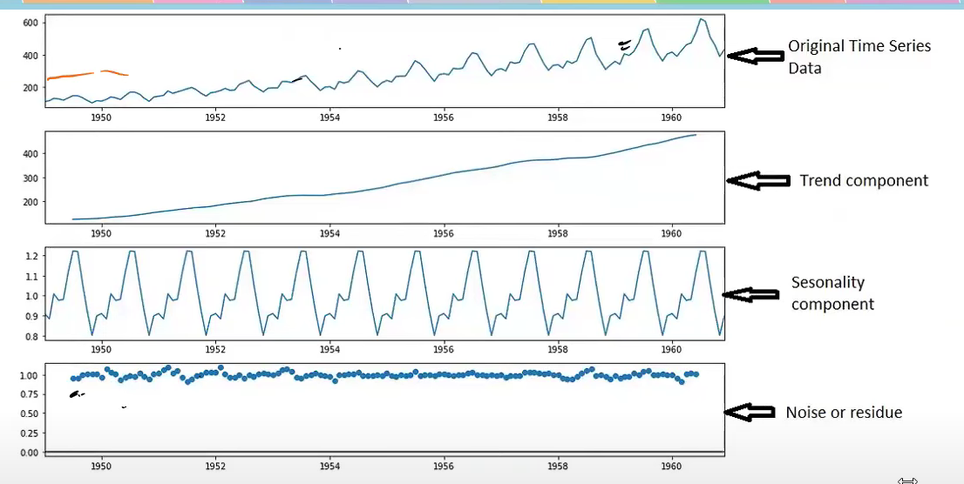

 |  |  |  |  |  |  |  |  |  | Seasonal Decomposition

 |  |  |  |  |  |  |  |  | if Noise has some pattern then your model is not accurate

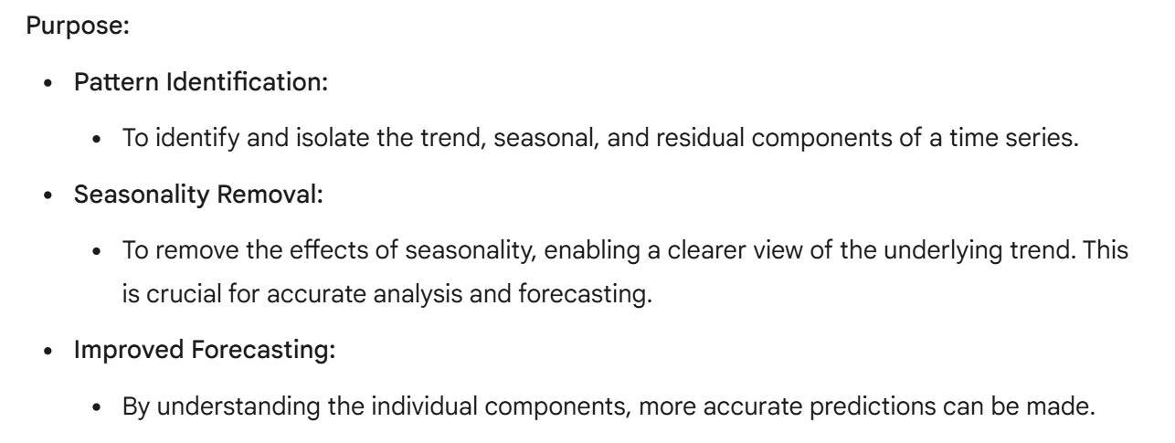

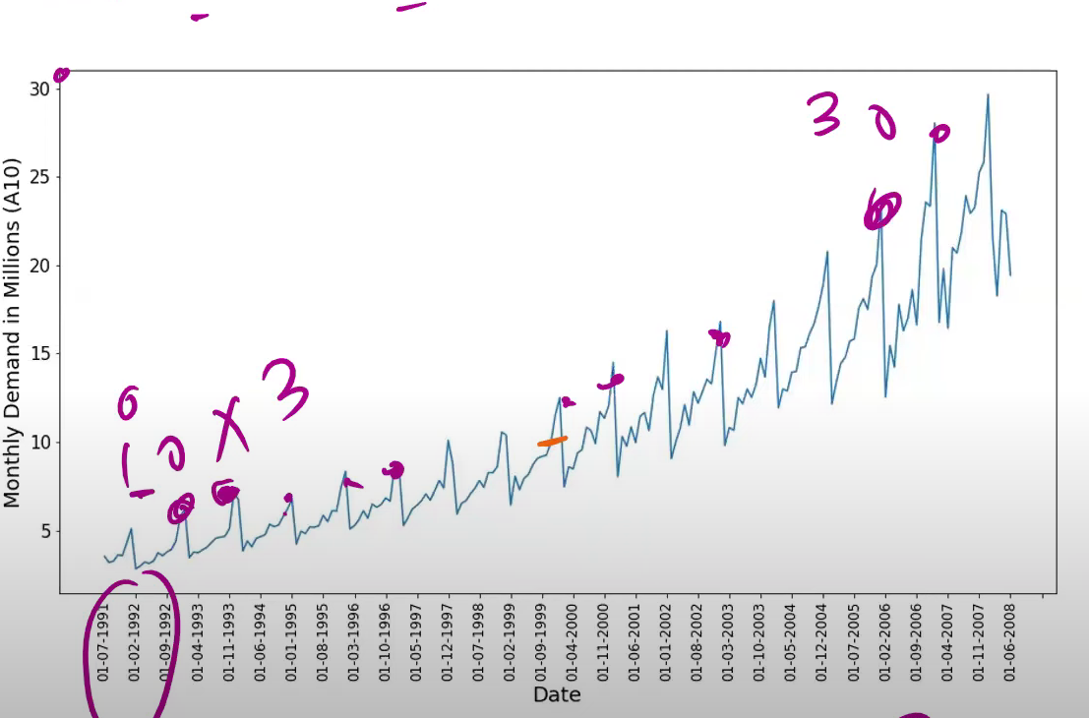

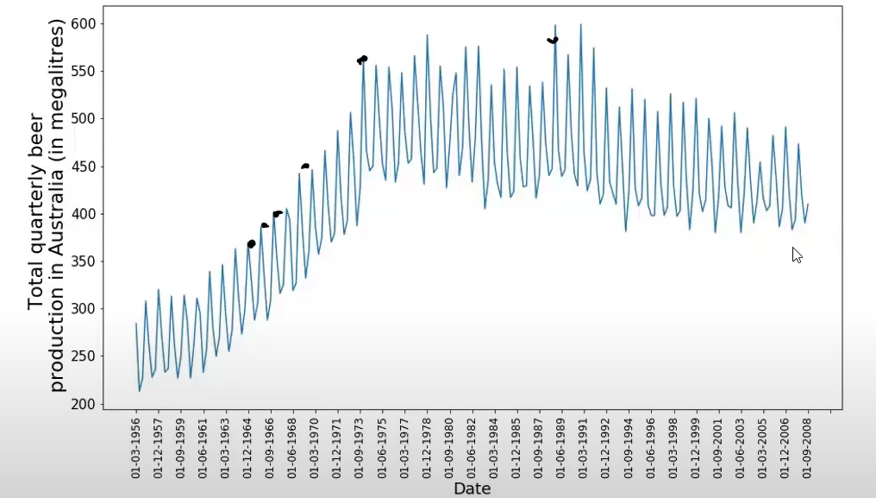

 | CONSTANT VARIANCE |  |  | When spread of data is constant

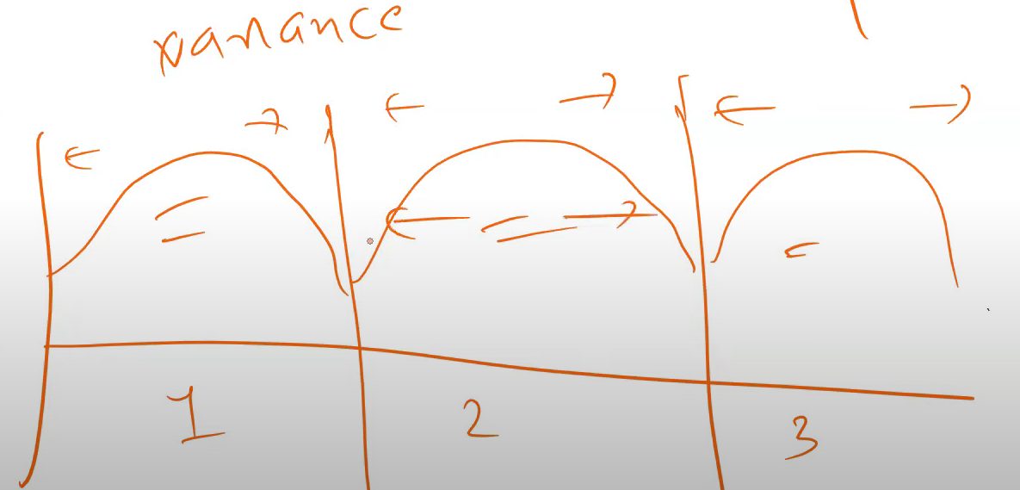

 |  |  |  |  |  |  |  |  |  | So this is your time series and when u divide this in three time frames ,there will be constant variance

 | Constant Mean

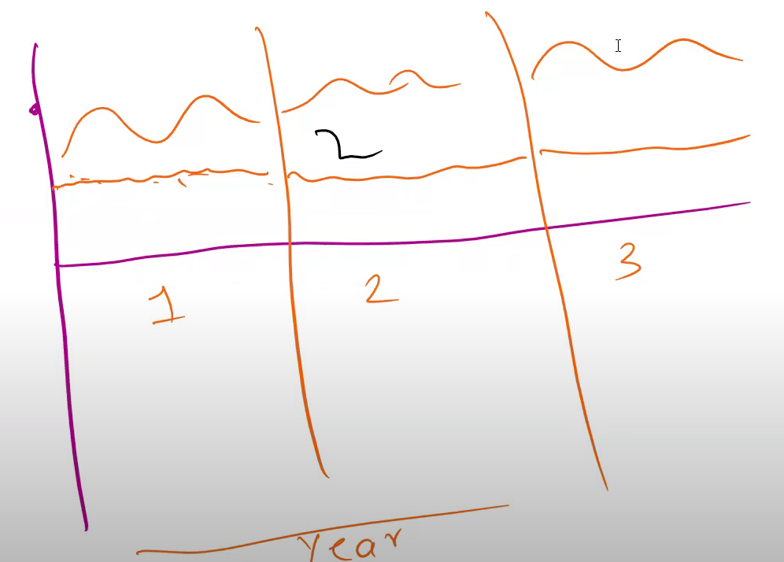

 | Constant Autocorrelation |  |  |  | Width should be same

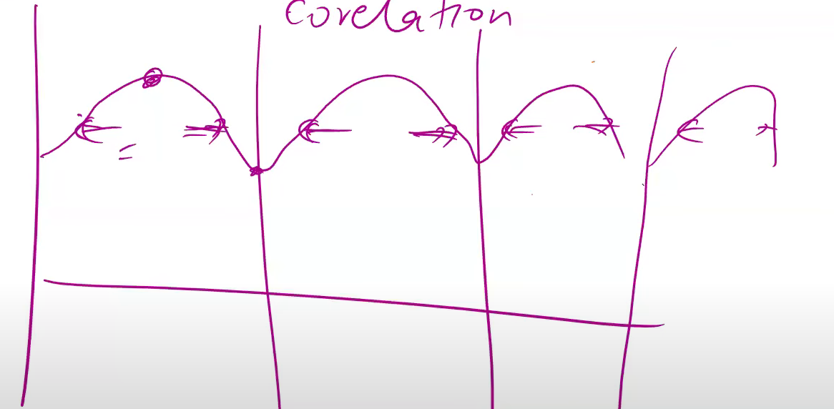

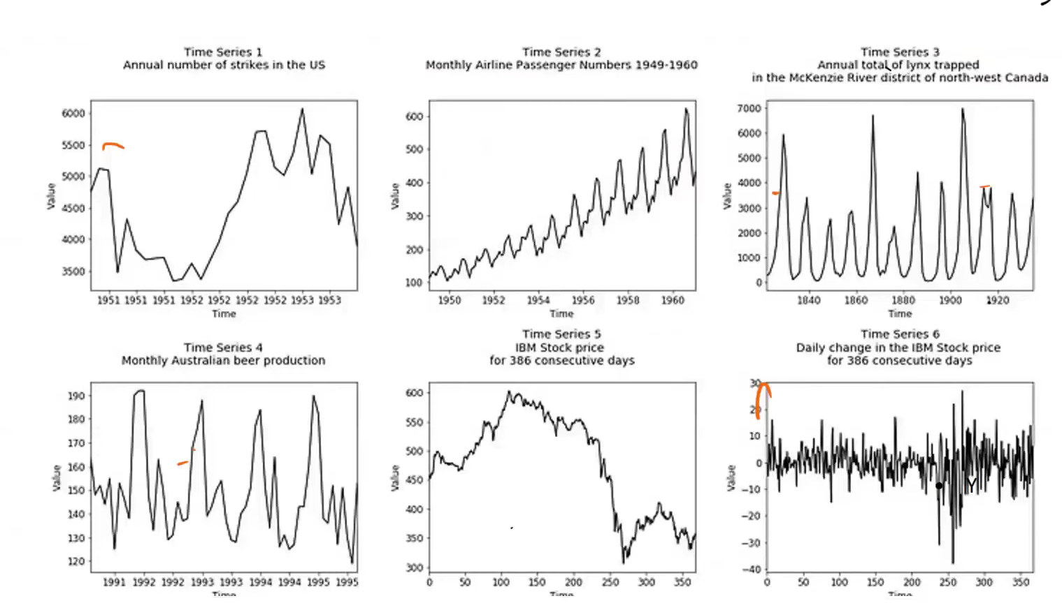

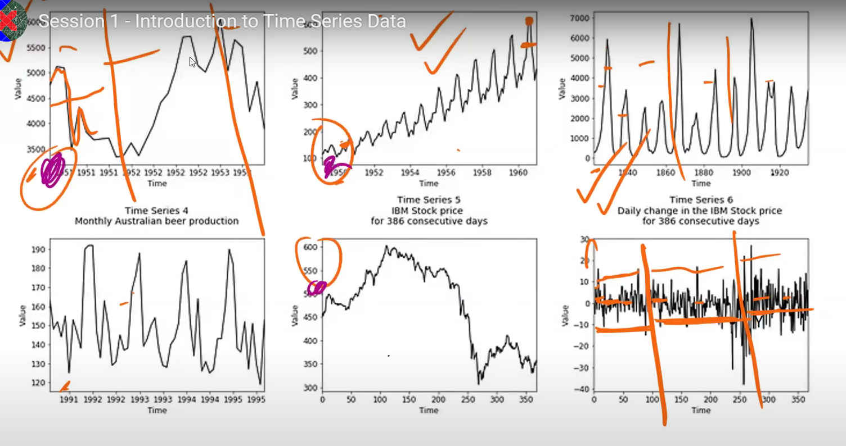

 |  |  |  |  |  |  |  |  |  |  |  |  | circles are non Stationary

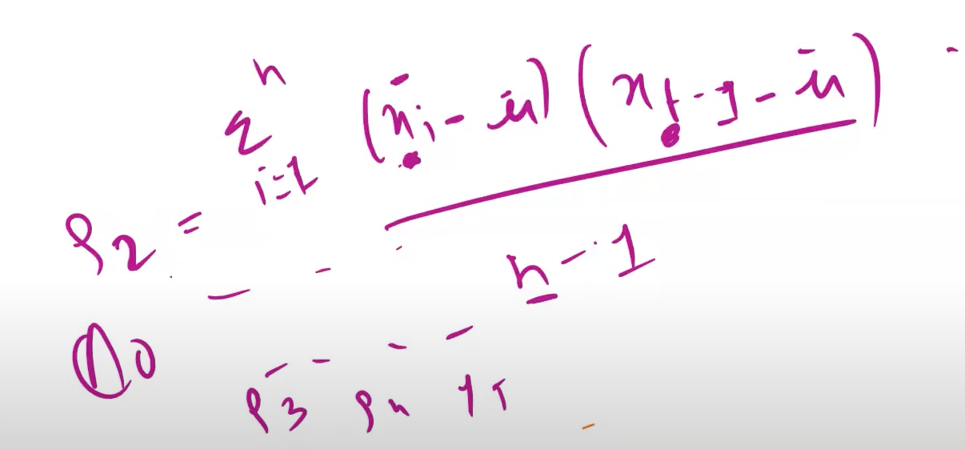

 |  |  |  |  |  |  |  |  |  |  | Formula for autocovvariance

 |  | Augumented Dickey Fuller Test to determine the Stationary or not

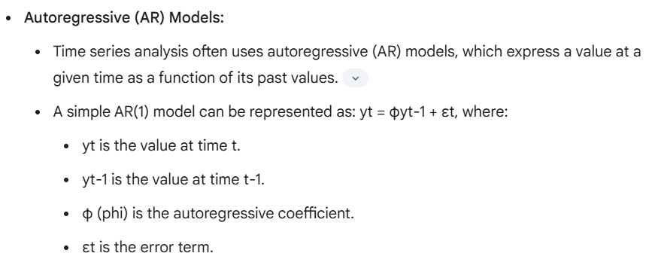

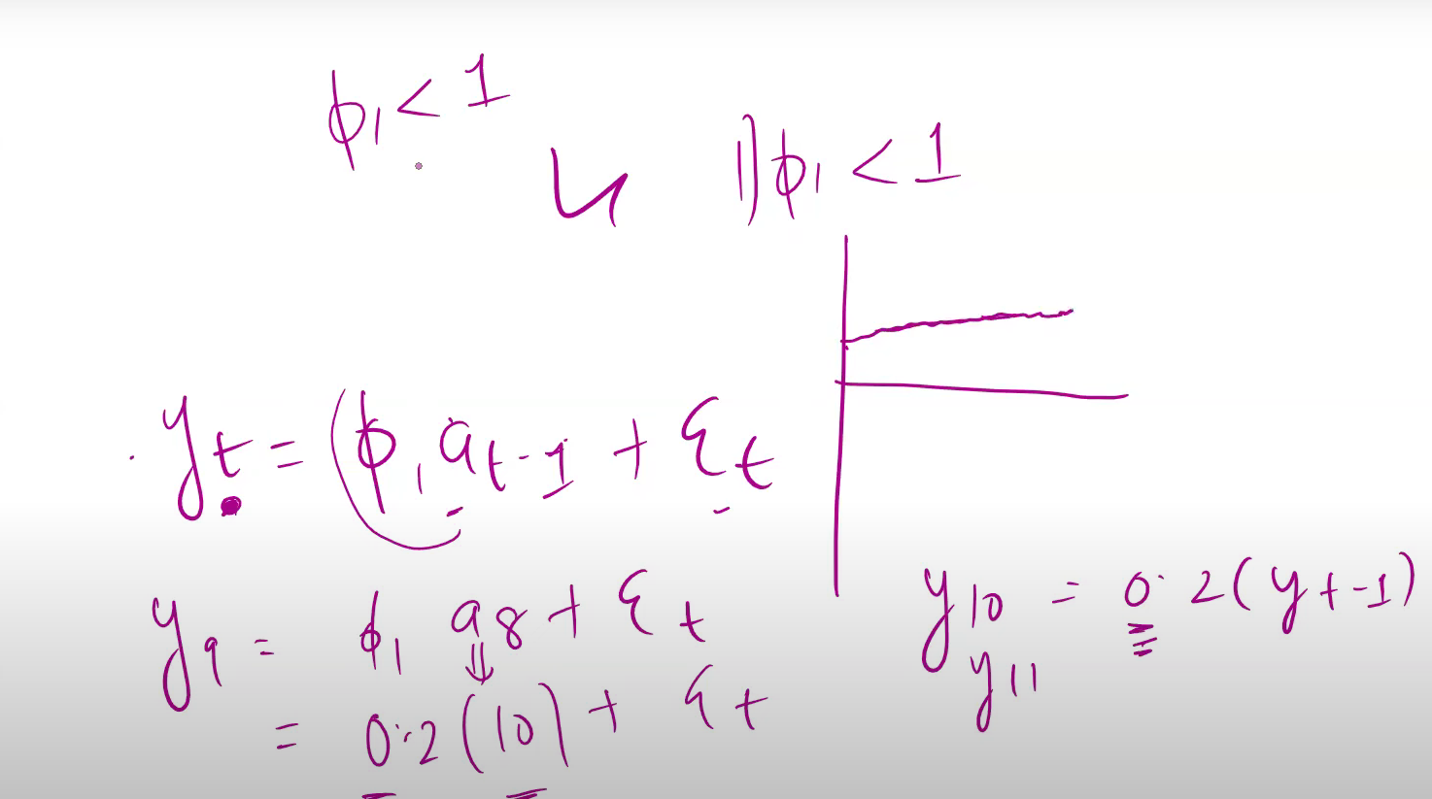

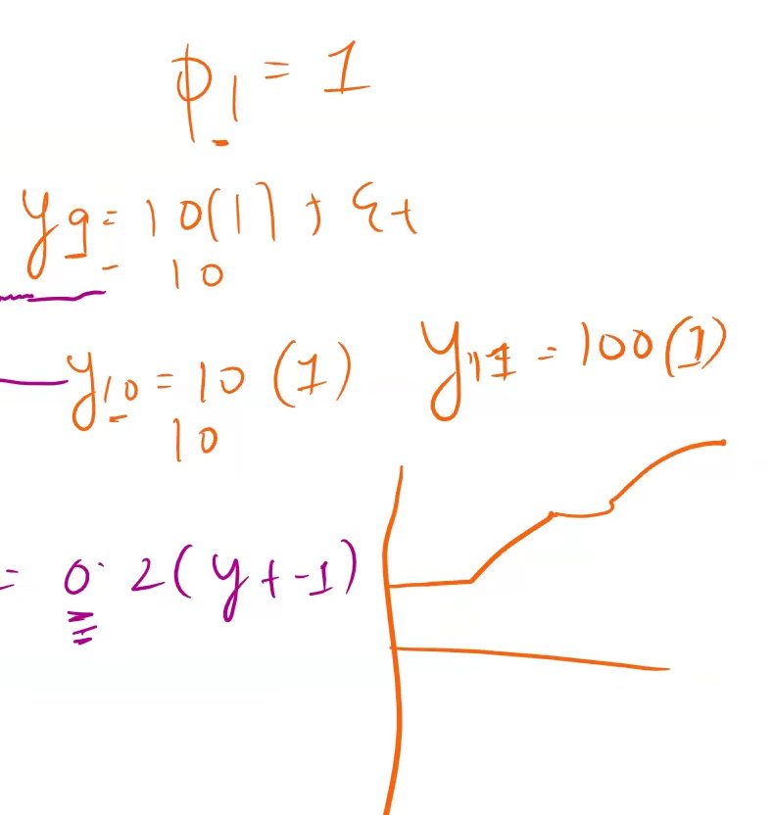

 |  |  |  |  |  | mEan value changes drastically when phi value is equal to 1

 |  |  |  |  |  | ADF STATIC > than critical values
 |  |  |  |  |  | p value is greater than 0.05

 |  |  |  |  |  |  |  | NON Stationary

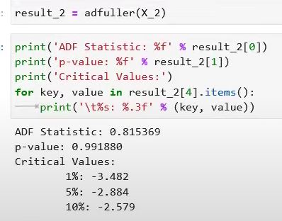

 |  |  | Differencing

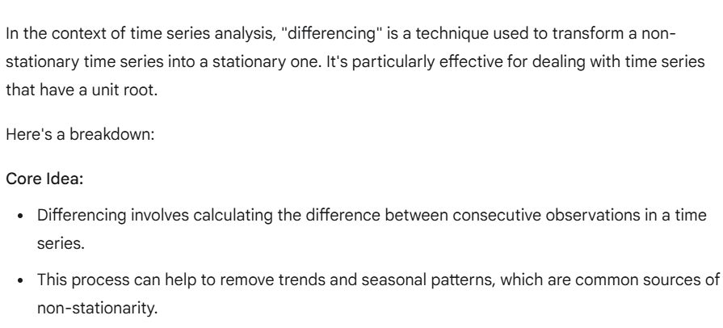

 |  |  |  |  |  |  |  |  |  | First and Second order Differencing

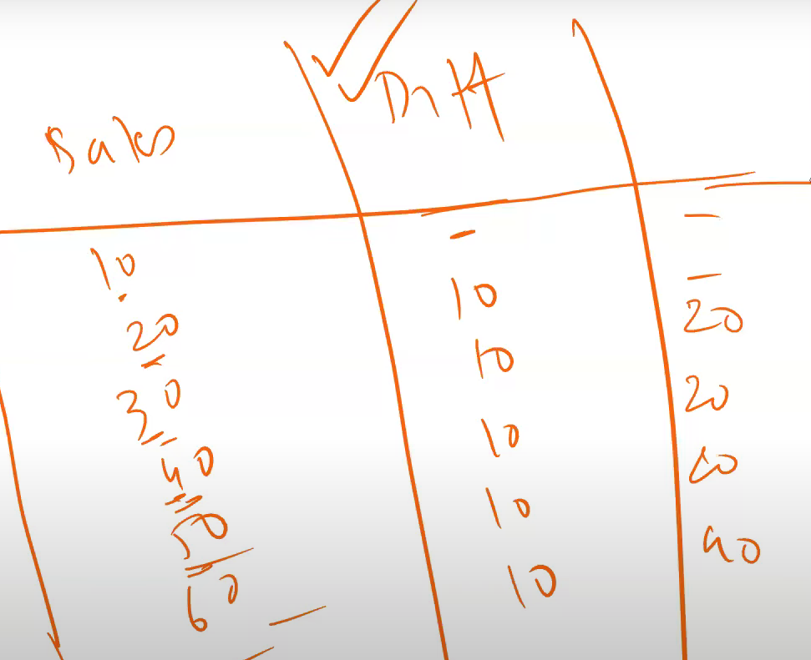
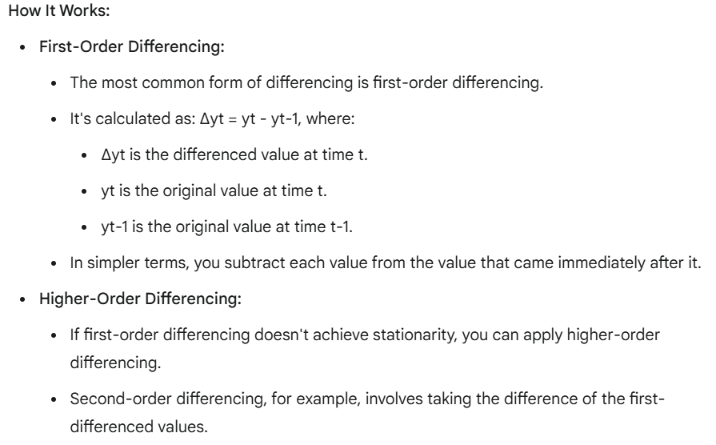

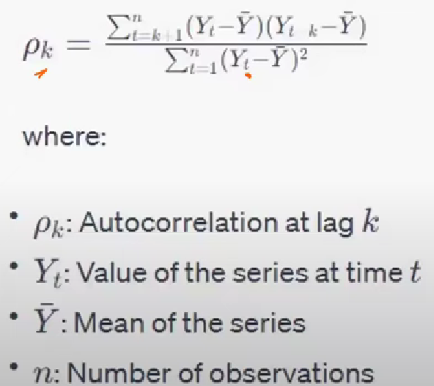

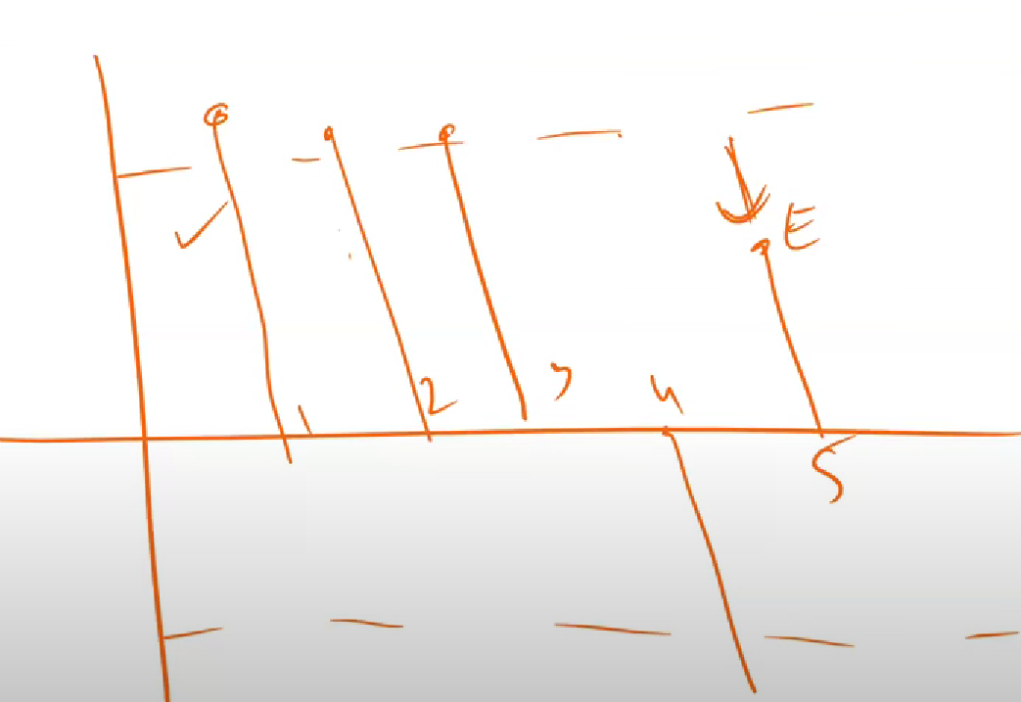

 |  |  |  |  |  |  |  |  |  |  |  | Autocorrealtion plot

 |  |  |  |  |  |  |  |  |  |  |  | Lags that are crossing certain threshold is statstically significant otherwise they are not signifuicant

